Fonts and Sizes
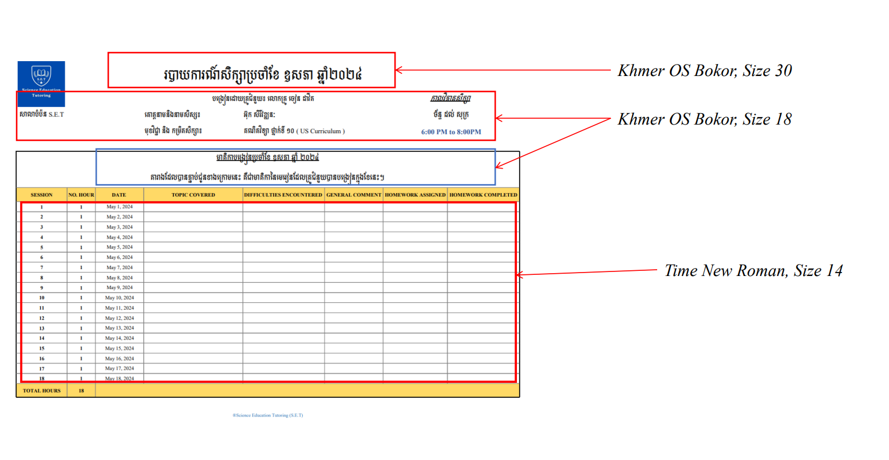

Monthly Report Template

 |  |  | របាយការណ៍សិក្សាប្រចាំខែ​ វិច្ឆកា-ធ្នូ ឆ្នាំ២០២៤

សាលាបំប៉ន​ S.E.T |  |  | បង្រៀនដោយគ្រូបំប៉ន​៖​ លោកគ្រូ សុន ចាន់សុផល |  |  |  | កាលវិភាគសិក្សា
 |  |  | គោត្តនាមនិងនាមសិស្ស៖ | Kao Sovilbol |  |  | ចន្ទ ព្រ.ហ និង សុក្រ
 |  |  | មុខវិជ្ជា និង​ កម្រិតសិក្សា​​​៖ | AMC Grade 4 |  |  | 5 PM to 6 PM

មាតិកាបង្រៀនប្រចាំខែ ​វិច្ឆកា-ធ្នូ ឆ្នាំ ២០២៤ តារាងដែលបានភ្ជាប់ជូនខាងក្រោមនេះ គឺជាមាតិកា​នៃមេរៀនដែលគ្រូបំប៉នបានបង្រៀនក្នុងខែនេះ។
SESSION | NO. HOUR | DATE | TOPIC COVERED | DIFFICULTIES ENCOUNTERED | GENERAL COMMENT | HOMEWORK ASSIGNED | HOMEWORK COMPLETED
1 | 1 | 2024-11-22 | Exam Preparation AMO R3 | There is no difficulty | He is smart learning, and fast. | N/A | N/A
2 | 1 | 2024-11-25 | Exam Preparation AMO R3 | Some Exercise is really new for him. | After get some explaination, He can do it and understand the exercise very well. | N/A | N/A
3 | 1 | 2024-11-28 | Exam Preparation AMO R3 | N/A | He did well today. | N/A | N/A
4 | 0 | 2024-11-29 | There is no session since tutee just arrived home nearly 6PM due to extremely traffic.
5 | 1 | 2024-12-02 | Exam Preparation AMO R3 | Some Exercise is challenging | He is confident to try solving even unsure, then after I explained a bit lit he can find the method to solve it. | N/A | N/A
6 | 1 | 2024-12-05 | Exam Preparation AMO R3 | There is no difficulty | Studnt not feeling well today, and I didn't give him the touht exercise. | N/A | N/A
7 | 0 | 2024-12-06 | There is no session today due to my request.
8 | 1 | 2024-12-09 | AMO Practical | There is no difficulty | He did well today. | N/A | N/A
9 | 1 | 2024-12-12 | Exam Preparation AMO R3 | Some Exercises are new for him | N/A | N/A | N/A
10 | 1 | 2024-12-13 | Exam Preparation AMO R3 | There is no difficulty | No general comment | N/A | N/A
11 | 1 | 2024-12-16 | Exam Preparation AMO R3 | Those exercises contain many keys to solve them | He needs my explaination first | N/A | N/A
12 | 1 | 2024-12-19 | AMO Practical | N/A | N/A | N/A | N/A
13 | 1 | 2024-12-20 | AMO Practical | Many exercises are challenging | He needs to practice more | N/A | N/A
14 | 1 | 2024-12-21 | AMO Practical | There is no difficulty | Good luck! | N/A | N/A
TOTAL HOURS | 12
®Science Education Tutoring (S.E.T)

